listing
1) ENGLISH ITEM NAME (ex : OOOO machine) | Tên Tiếng viêt | 2)中文名称 | 3) MANUFACTUROR (ex : OOO company) | 4) MODEL NO (ex : abc-123) | 5)Serial number | 6)CN hs code | 7)VN hs code | 8)Material | 9) VOLTAGE (ex : 220V) | 10) CAPACITY (ex :1200KW) | 11) Manufacture date (yyyy-mm-dd) | 12) ORIGIN | 13) NEW or USED | 14) PICTURE (BEFORE PACKING) | 15) PICTURE (NAME PLATE or label) | 16)Quantity | 17)cost(RMB 13%VAT) | 18)cost(USD) | 19)Total cost(USD) | 20)CARTON NO. | 21)CTN QTY | 22)G.W(KGS) | 23)N.W(KGS) | 24)Package Size(CM) | 25)Part size(CM) | 26)应用范围 | 27)是否带电源
Single pneumatic press | Máy ép bằng khí nén, model: GO-05A, đ.áp :AC220V 50Hz, cs: 1KW, máy dùng để ép gắn các nút cao su lên bảng mạch,năm sx: 2021,nhà sx: Techsen Electronics (Shenzhen) Co., ltd.Hàng mới 100% | 单气动压力机 | Techsen Electronics(ShenZhen)Co.,Ltd | GO-05A | PIE-PS083 | 8462909090 | 84621010 | IRON | AC220V | 1KW | 2021-03-01 | CHINA | USED | 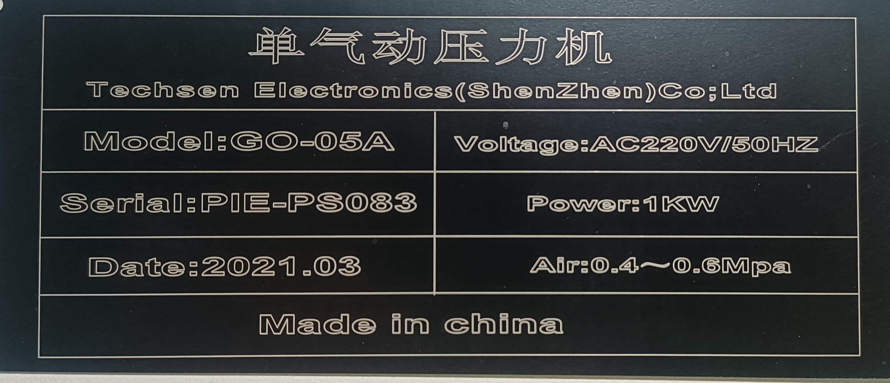 |  | 1 | 1500 |  |  | V5 | 1 | 68 | 56 | 56*67*98 | 50*60*93 | Product assemble | YES

